1. Title Page
Instacart Grocery Basket Analysis

Project Name: Instacart Grocery Basket Analysis
Date: 11 December 2023
Analyst Name: Frederick Liew

Contents:
Population Flow
Consistency checks
Wrangling steps
Column derivations
Visualizations
Recommendations

“The Instacart Online Grocery Shopping Dataset 2017”, Accessed from www.instacart.com/datasets/grocery-shopping-2017 via Kaggle on <1 Dec 2023>.
Note: The customer data and prices column in the products data set were facbricated for the purpose of this course.

2. Population Flow
Title page

Population flow

Exclusion flag
Condition: max_order < 5
Obervations to be removed: 1440295
Final total count of order_products_all: 30964564

Orders_products_combined
Orders_products_merged
Orders_products_all

Total: 32434489
Total: 32434489
Total: 32434489

1.) The grey boxes in the first row of the population flow represent the original data sets as they were when you downloaded them. In the Total fields you need to add the count of the rows when you imported the data set into Jupyter.
2.) The second row of boxes (coloured) represents the data sets after you manipulated them, e.g., removed missing values and duplicates. In the Total fields you need to add the count of the rows after conducting these operations. This offers a visual oveview of how the data flows throughout the data consistency checks.
3.) The third row, where also the arrows are coloured, represents the merges you performed between the datasets. In the Total fields you need to add the count of the rows in the merged datasets, so that you end up with the final dataset (in the red box). Keep in mind the final dataset should be without exclusions (based on the exclusion flag).

3. Consistency checks
 |  |  |  | Title page
Consistency checks

Dataset | Missing values | Missing values treatment | Duplicates
orders | days_since_prior_order | Nothing, missing value is the first order for each customer, hence no days since prior order record. | None
products | product_name | some product_id missing the product_name, total of 16 out of 49693 records. Missing record with product name excluded | five duplicate product records found, product_id 462, 18458, 26808, 35306 and 35491. All excluded from analysis
orders_products_prior | None | None | None
customers | None | None | None

4. Wrangling steps
 |  |  |  | Title page
Wrangling steps

Columns dropped | Columns renamed | Columns' type changed | Comment/Reason
eval_set (orders data) |  |  | This column from orders.csv contains system information that acts as a label for the entire data set. It is irrelevant for the purpose of this project.
 | order_dow (orders data) to orders_day_of_week |  | dow means day of week, rename order_dow column to orders_day_of_week so it's clearer
 |  | order_id (orders data) | order_id contains numerical number but it's used to identify orders, not needed for statistical analysis so changed the type to string.
 |  | user_id (orders data) | Used to identify customer, not needed for statistical analysis so changed the type to string.
 | order_number (orders data) to user_order_number |  | order number is representing the number of order per customer, hence changing the name to user_order_number to be clearer
First Name (customer data) |  |  | customer details not needed for analysis
Surnam (customer data) |  |  | customer details not needed for analysis
date_joined (customer data) |  |  | customer details not needed for analysis
 | fam_status (customer data) to marital_status |  | fam_status renamed to marital_status to make it clearer. It represent the customer relationship status - single, married etc

5. Column derivations
 |  |  |  |  | Title page

Column derivations and aggregations

In this tab you should add tables below that the frequences of flags/label variables that you produced after deriving them. NB: don't do this for continuous variables, only for flags.
Dataset | New column | Column/s it was derived from | Conditions
orders_products_merged | price_range | prices | If prices <= 5, then 'Low-range product'; else if prices > 5 and <= 15, then 'Mid-range product'; else if prices > 15, then 'High-range product'
orders_products_merged | busiest_day | orders_day_of_week | If value = 0, then 'Busiest day', else if value = 4, then 'Least busy', else 'Regularly busy'
orders_products_merged | busiest_days | orders_day_of_week | If value = 0 and 1, then 'Busiest days', else if value = 3 and 4, then 'Slowest days', else 'Regular days'
orders_products_merged | busiest_period_of_day | orders_hour_of_day | If order hour > 8 and <= 17, then 'Most orders', else if order hour < 7, then 'Fewest orders', else if order hour > 17 and >= 7 and <= 9, then 'Average orders'
orders_products_merged | loyalty_flag | max_order | If max order > 40, then 'Loyal customer', else if max order <= 40 and > 10, then 'Regular customer', else if max order <= 10, then 'New customer'
orders_products_merged | spending_flag | avg_price | If average price < 10, then 'Low spender', if average price >= 10, then 'High spender'
orders_products_merged | frequency_flag | median_days_since_prior_order | If median days > 20, then 'Non-frequent customer', else if median <= 20 and > 10, then 'Regular customer', else if median days <= 10, then 'Frequent customer'
orders_products_customer | profile | marital_status, n_dependants, Age | If single and no dependant, then 'Single', else if divorced/widowed and no dependant, then 'Divorced/Widowed', else if depedant > 0 and Age >= 18 and < 22, then 'Young Parents Home', else if dependant > 0 and Age >= 22 and < 40, then 'Young Parents', else if dependant > 0 and Age >= 40 and < 60, then 'Mature Parents', else if depedant > 0 and Age >= 60, then 'Older Parents' | 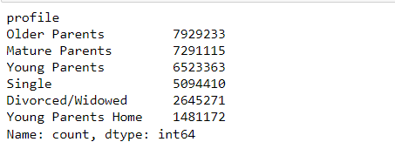
orders_products_customer | income_flag | income | If income < 52000, then 'Lower class', if income >= 52000 and < 156001, then 'Middle class', else if income >= 156001, then 'Upper class'

6. Visualizations
Title page

Visualisations

In this tab you should include all the visualtions from Exercises 4.9 and 4.10, alongside the questions from the project brief that they answer. Include any commentary on the relationship between different variables.

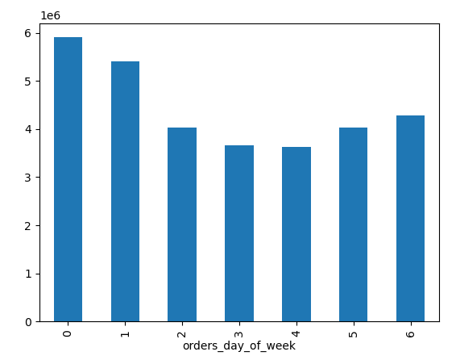

0 = Saturday, 1 = Sunday, 2 = Monday, 3 = Tuesday
4 = Wednesday, 5 = Thursday, 6 = Friday
The busiest day of the week is Saturday, followed by Sunday.
It's less busy during weekday, with Tuesday and Wedneday have the slowest days, and starting to pick up from Thursday and Friday, before becoming busy again on the weekend.

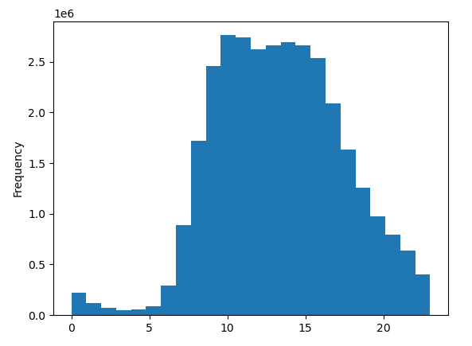

There are very few orders from midnight to 5am, as can be expected since most people are still asleep. The orders start to pick up from 6am and have the highest activites from around 9am to 4pm.
The orders then started to decrease steadily from 5pm onwards.

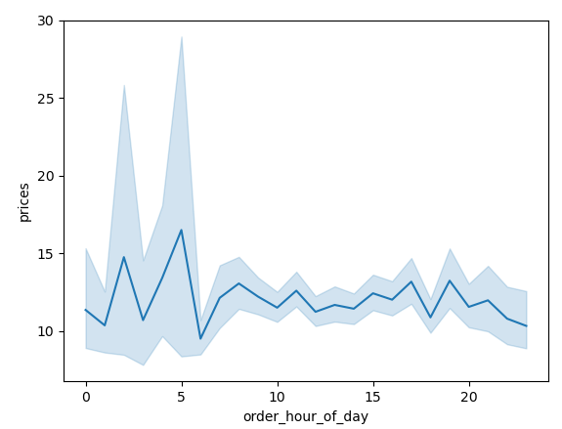

Interestingly, although the orders are slowest from midnight to abou 5am, the average price of the orders were higher. The highest was around 5am, followed by 2am. This could be due to people who are waking up early aroudn 5am, and place the order before they get ready for the morning.
During normal day time, the price range doesn't fluctuate as much (average price between 10 to 12).
There seems to be a big drop in price at around 6am and around 5pm, possibly due to people getting ready to go to work, or getting ready to go home after work. Hence less orders.

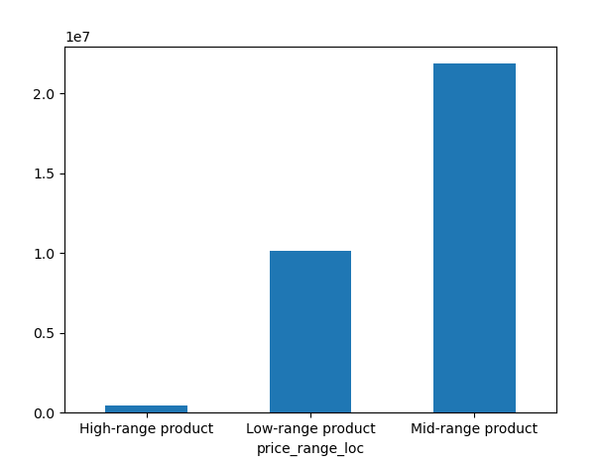

The products are categorised into the following range:-
If prices <= 5, then 'Low-range product';
If prices > 5 and <= 15, then 'Mid-range product';
if prices > 15, then 'High-range product'
Most of the products ordered are mid-range products, followed by low-range. Proportionally lower high-range products were ordered.

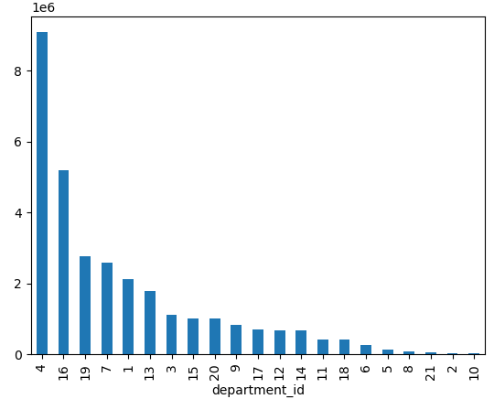
The department that has the highest number of orders is produce, followed by dairy eggs and snacks, beverages.
1 frozen, 2 other, 3 bakery
4 produce, 5 alcohol, 6 international
7 beverages, 8 pets, 9 dry goods pasta
10 bulk, 11 personal care, 12 meat seafood
13 pantry, 14 breakfast, 15 canned goods,
16 dairy eggs, 17 household, 18 babies,
19 snacks, 20 deli, 21 missing

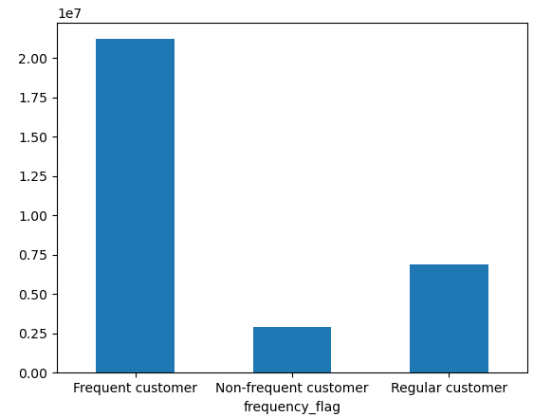
Most of the customers at Instacart are frequent customer, meaning that they place an order every 10 days.
This is followed by Regular customers (where they place order every 10 to 20 days).
Non-frequent customer made up a smaller portion of Instacart's customer base and they usually place an order every 20 days or more.

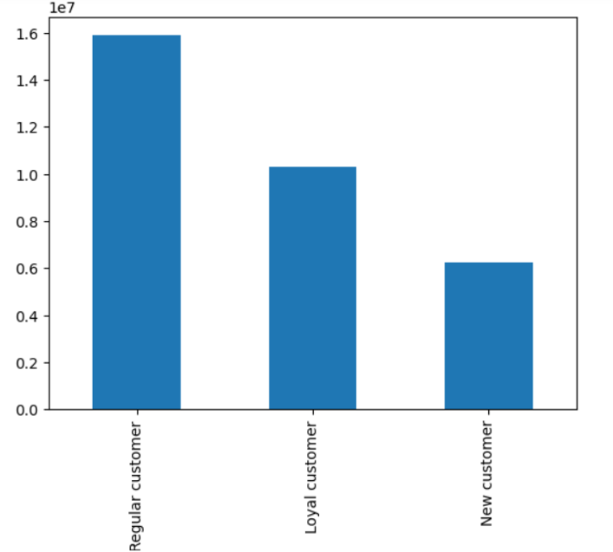

Based on the record, most customers are regular customer at Instacart, meaning their total orders are between 11 to 40.
The next highest group are loyal customer, where they have placed more than 40 orders followed by new customer, who placed 10 or less orders.

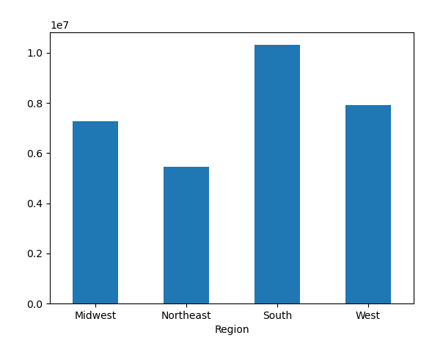

There are differences in ordering habits based on customer's region. Customers who are staying in the South tended to place the most orders, followed by customers in the West and Midwest region.
Those who are staying in the Northeast region placed the least orders.

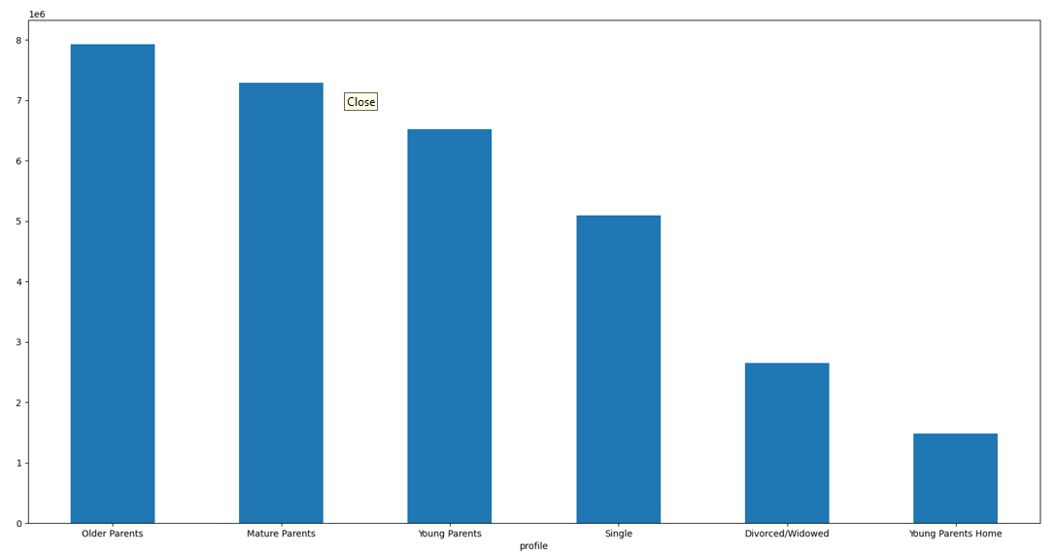

There also seem to be a connection between age and family status in terms of ordering habits. Older parents were the ones that placed the most orders, followed by mature parents and young parents.
Those without dependants (Single and Divorced/Widowed) are the next group that placed the most orders.
The young parents who are staying home with their parents and siblings placed the least orders.
Divorced/Widowed - no dependant
Single - no dependant
Young parents home - aged 18-21 with dependant staying at home with parents & siblings
Young parents - aged 22 to 39 with dependant
Mature parents - aged 40 - 59 with dependant
Older parents - aged 60 above with depedant

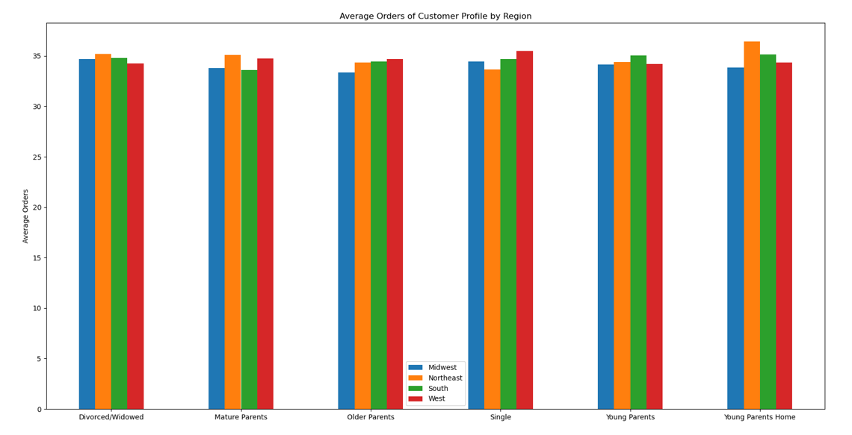
There are differences in ordering habits based on customers' profile at different regions. Divorced/Widowed, Matured parents and young parents show are staying with their parents & siblings tended to order more at Northeast region.
On the other hand, at the West region, older parents and single individual tended to place more orders.
Last but not least, young parents in the South region placed more orders compared to other regions.
Divorced/Widowed - no dependant
Single - no dependant
Young parents home - aged 18-21 with dependant staying at home with parents & siblings
Young parents - aged 22 to 39 with dependant
Mature parents - aged 40 - 59 with dependant
Older parents - aged 60 above with depedant

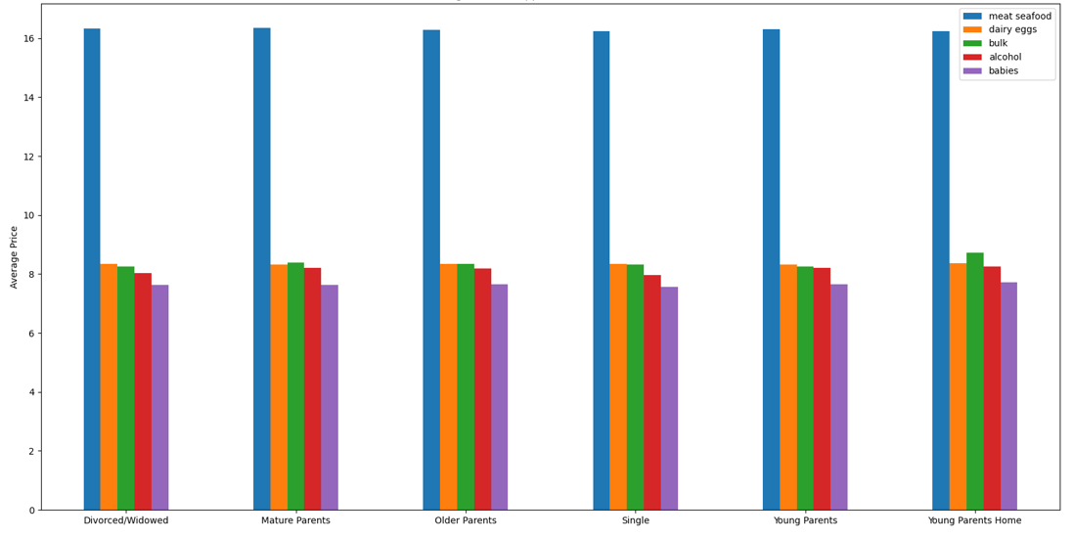

The average price spent on the top few departments are quite similar across the different customer profiles. Specifically, they all spent the most on meat/seafood products.
Dairy/eggs and bulk products are closely comparable, with the exception that young parents who are staying at home with their parents tended to buy more bulk products compared to dairy/eggs.
Single individuals tended to spend less on alcohol products compared to other groups.

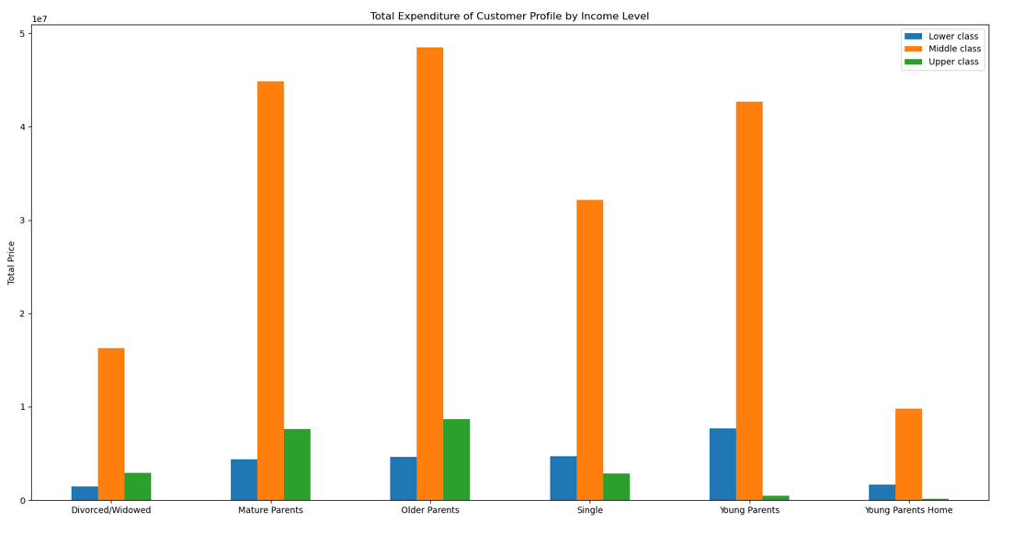

Most of Instacart's customers are middle class, and hence their expenditure were the highest.
Divoced/Widowed, Mature parents and older parents at uppe class tended to spent more than lower class.
On the other hand, single individual, young parents and young parents who are staying at home who are earning lower class level income tended to spent more compared to upper class.

7. Recommendations
 |  | Title page

Recommendations

In this tab you should include any recommendations you would made to Instcart in terms of their marketing strategy based on the questions posed in the brief. Every key question has been covered in the Tasks of the Exercises - here you need to add an item - a visualisation or table/crosstable that is showing the answer in the data, acompanied by a comment from you. Please, list the questions below and add the answer underneath.

Question | Answer
1. What the busiest days of the week are? | Saturday is the busiest day of the week
2. What the busiest hour of the day are? | Busiest hour are usually day time between 9am to 4pm (10am is the busiest hour).
3. Are there particular times of the day when people spend the most money? | People spent the most money at around 5am, followed by around 2am.
4. Marketing & sales want a simpler price range grouping | Most of the products ordered are mid-range products (between $6 to $15) , followed by low-range ($5 and below). Proportionally lower high-range products (above $15) were ordered.
5. Which departments have the highest frequency of product orders? | The department that has the highest number of orders is produce, followed by dairy eggs and snacks, beverages
6. How often do users return to Instacart? | Most of the customers at Instacart are frequent customer, meaning that they place an order every 10 days. This is followed by regular customer and non-frequent customer.
7. Are there differences in ordering habits on customer's loyalty status? | Most customers are regular customer at Instacart, meaning their total orders are between 11 to 40. This is followed by loyal customer and lastly new customer.
8. Are there differences in ordering habits based on customer's region? | There are differences in ordering habits based on customer's region. Customers who are staying in the South tended to place the most orders, followed by customers in the West and Midwest region. Those who are staying in the Northeast region placed the least orders.
9. Is there a connection between age and family status in terms of ordering habits? | Older parents were the ones that placed the most orders, followed by mature parents and young parents. Those without dependants (Single and Divorced/Widowed) are the next group that placed the most orders.
10. What different classification does the demographic information suggest? | Based on the demographic information, we can general classify the customers in to single (either single or divorced/widowed with no dependant) or those with dependants (young parents who are staying at home with their parents/siblings, young parents, mature parents and older parents). The income level can also be used to classify the customers into lower class, middle class and upper class.
11. what differences can you find in ordering habits of different customers profile? | Most of Instacart's customers are middle class, and hence their expenditure were the highest. Divoced/Widowed, Mature parents and older parents at uppe class tended to spent more than lower class. On the other hand, single individual, young parents and young parents who are staying at home who are earning lower class level income tended to spent more compared to upper class. The average price spent on the top few departments are quite similar across the different customer profiles. Specifically, they all spent the most on meat/seafood products. Dairy/eggs and bulk products are closely comparable, with the exception that young parents who are staying at home with their parents tended to buy more bulk products compared to dairy/eggs. There are differences in ordering habits based on customers' profile at different regions. Divorced/Widowed, Matured parents and young parents show are staying with their parents & siblings tended to order more at Northeast region. On the other hand, at the West region, older parents and single individual tended to place more orders. Last but not least, young parents in the South region placed more orders compared to other regions.

